ErrorMeasures
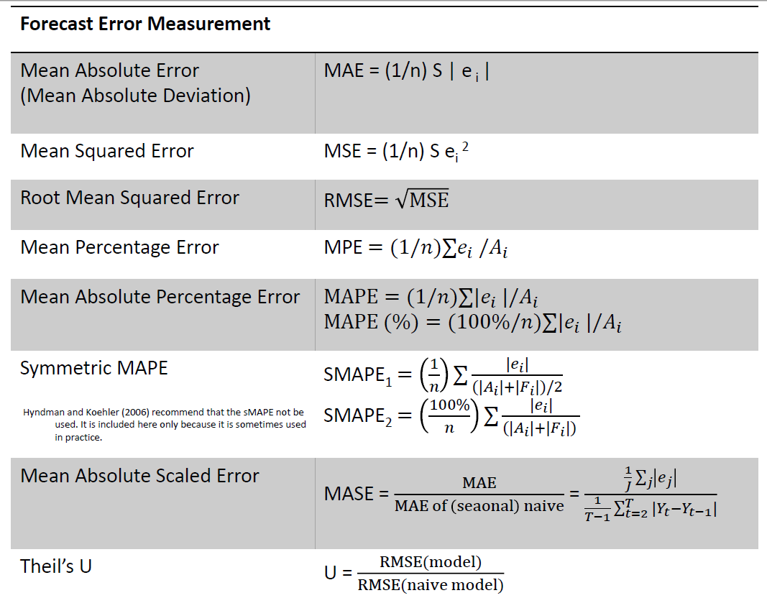
Week | Forecast | Actual | Error | |Error| | |Error/Actual| | Squared Error
1 | 92 | 88 | -4 | 4 | 0.0455 | 16
2 | 87 | 88 | 1 | 1 | 0.0114 | 1
3 | 95 | 97 | 2 | 2 | 0.0206 | 4
4 | 90 | 83 | -7 | 7 | 0.0843 | 49
5 | 88 | 91 | 3 | 3 | 0.0330 | 9
6 | 93 | 93 | 0 | 0 | 0.0000 | 0
Avg |  |  |  | 2.83 | 0.0325 | 13.17 | 3.63
 |  |  |  | MAE | MAPE | MSE | RMSE
 |  |  |  |  | 3.25% | 13.166666667

Week | Forecast | Actual | Error | |Error| | |Error/Actual| | Squared Error
1 | 96 | 91
2 | 89 | 89
3 | 92 | 90
4 | 93 | 90
5 | 90 | 86
6 | 85 | 89
Avg |  |  |  |  |  | 11.666666667
 |  |  |  | MAE | MAPE | MSE | RMSE

Sheet2
Date | TNHS | Forecast(TNHS) | Lower Confidence Bound(TNHS) | Upper Confidence Bound(TNHS) | Statistic | Value
1-Jan-10 | 24 |  |  |  | Alpha | 0.50
1-Feb-10 | 27 |  |  |  | Beta | 0.00
1-Mar-10 | 36 |  |  |  | Gamma | 0.00
1-Apr-10 | 41 |  |  |  | MASE | 0.80
1-May-10 | 26 |  |  |  | SMAPE | 0.05
1-Jun-10 | 28 |  |  |  | MAE | 2.26
1-Jul-10 | 26 |  |  |  | RMSE | 2.86
1-Aug-10 | 23
1-Sep-10 | 25
 | TNHS | Forecast(TNHS) | Lower Confidence Bound(TNHS) | Upper Confidence Bound(TNHS)
 | 24
 | 27
 | 36
 | 41
 | 26
 | 28
 | 26
 | 23
 | 25
 | 23
 | 20
 | 23
 | 21
 | 22
 | 28
 | 30
 | 28
 | 28
 | 27
 | 25
 | 24
 | 25
 | 23
 | 24
 | 23
 | 30
 | 34
 | 34
 | 35
 | 34
 | 33
 | 31
 | 30
 | 29
 | 28
 | 28
 | 32
 | 36
 | 41
 | 43
 | 40
 | 43
 | 33
 | 31
 | 31
 | 36
 | 32
 | 31
 | 33
 | 35
...
1-Oct-10 | 23
1-Nov-10 | 20
1-Dec-10 | 23
1-Jan-11 | 21
1-Feb-11 | 22
1-Mar-11 | 28
1-Apr-11 | 30
1-May-11 | 28
1-Jun-11 | 28
1-Jul-11 | 27
1-Aug-11 | 25
1-Sep-11 | 24
1-Oct-11 | 25
1-Nov-11 | 23
1-Dec-11 | 24
1-Jan-12 | 23
1-Feb-12 | 30
1-Mar-12 | 34
1-Apr-12 | 34
1-May-12 | 35
1-Jun-12 | 34
1-Jul-12 | 33
1-Aug-12 | 31
1-Sep-12 | 30
1-Oct-12 | 29
1-Nov-12 | 28
1-Dec-12 | 28
1-Jan-13 | 32
1-Feb-13 | 36
1-Mar-13 | 41
1-Apr-13 | 43
1-May-13 | 40
1-Jun-13 | 43
1-Jul-13 | 33
1-Aug-13 | 31
1-Sep-13 | 31
1-Oct-13 | 36
1-Nov-13 | 32
1-Dec-13 | 31
1-Jan-14 | 33
1-Feb-14 | 35
1-Mar-14 | 39
1-Apr-14 | 39
1-May-14 | 43
1-Jun-14 | 38
1-Jul-14 | 35
1-Aug-14 | 36
1-Sep-14 | 37
1-Oct-14 | 38
1-Nov-14 | 31
1-Dec-14 | 35
1-Jan-15 | 39
1-Feb-15 | 45
1-Mar-15 | 46
1-Apr-15 | 48
1-May-15 | 47
1-Jun-15 | 44
1-Jul-15 | 43
1-Aug-15 | 41
1-Sep-15 | 35
1-Oct-15 | 39
1-Nov-15 | 36
1-Dec-15 | 38
1-Jan-16 | 39
1-Feb-16 | 45
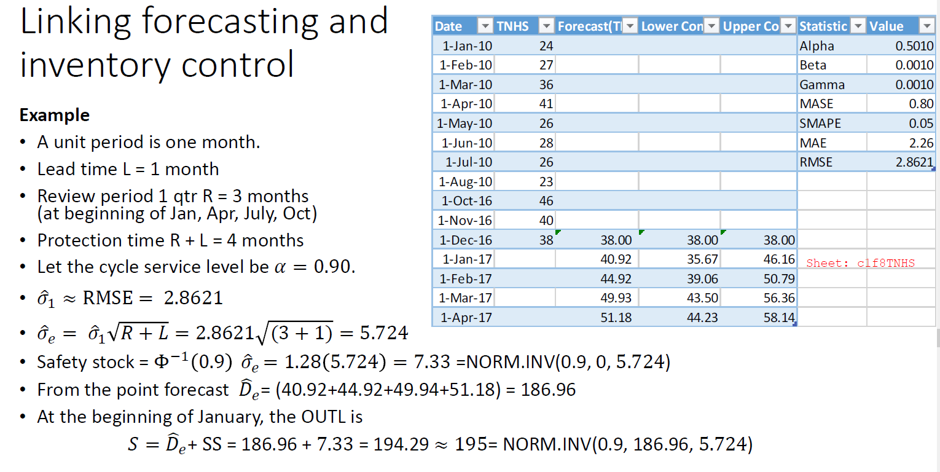
1-Mar-16 | 50
1-Apr-16 | 55
1-May-16 | 53
1-Jun-16 | 50
1-Jul-16 | 54
1-Aug-16 | 46
1-Sep-16 | 44
1-Oct-16 | 46
1-Nov-16 | 40
1-Dec-16 | 38 | 38 | 38.00 | 38.00
1-Jan-17 |  | 40.915766379 | 35.67 | 46.16
1-Feb-17 |  | 44.924183628 | 39.06 | 50.79
1-Mar-17 |  | 49.931495376 | 43.50 | 56.36
1-Apr-17 |  | 51.184761437 | 44.23 | 58.14
1-May-17 |  | 49.835425191 | 42.40 | 57.27
1-Jun-17 |  | 48.861750864 | 40.96 | 56.76
1-Jul-17 |  | 47.521496231 | 39.19 | 55.85
1-Aug-17 |  | 45.158272568 | 36.41 | 53.91
1-Sep-17 |  | 45.205075744 | 36.06 | 54.35
1-Oct-17 |  | 44.678401703 | 35.15 | 54.21
1-Nov-17 |  | 42.534199874 | 32.64 | 52.43
1-Dec-17 |  | 43.795951327 | 33.54 | 54.05
1-Jan-18 |  | 44.205805094 | 33.60 | 54.81
1-Feb-18 |  | 48.214222342 | 37.27 | 59.15
1-Mar-18 |  | 53.22153409 | 41.95 | 64.49
1-Apr-18 |  | 54.474800152 | 42.89 | 66.06
1-May-18 |  | 53.125463906 | 41.22 | 65.03
1-Jun-18 |  | 52.151789579 | 39.94 | 64.36
1-Jul-18 |  | 50.811534945 | 38.30 | 63.32
1-Aug-18 |  | 48.448311283 | 35.65 | 61.25
1-Sep-18 |  | 48.495114459 | 35.41 | 61.58
1-Oct-18 |  | 47.968440418 | 34.60 | 61.34
1-Nov-18 |  | 45.824238589 | 32.17 | 59.47
1-Dec-18 |  | 47.085990042 | 33.16 | 61.01

